Pre-filled (IV)
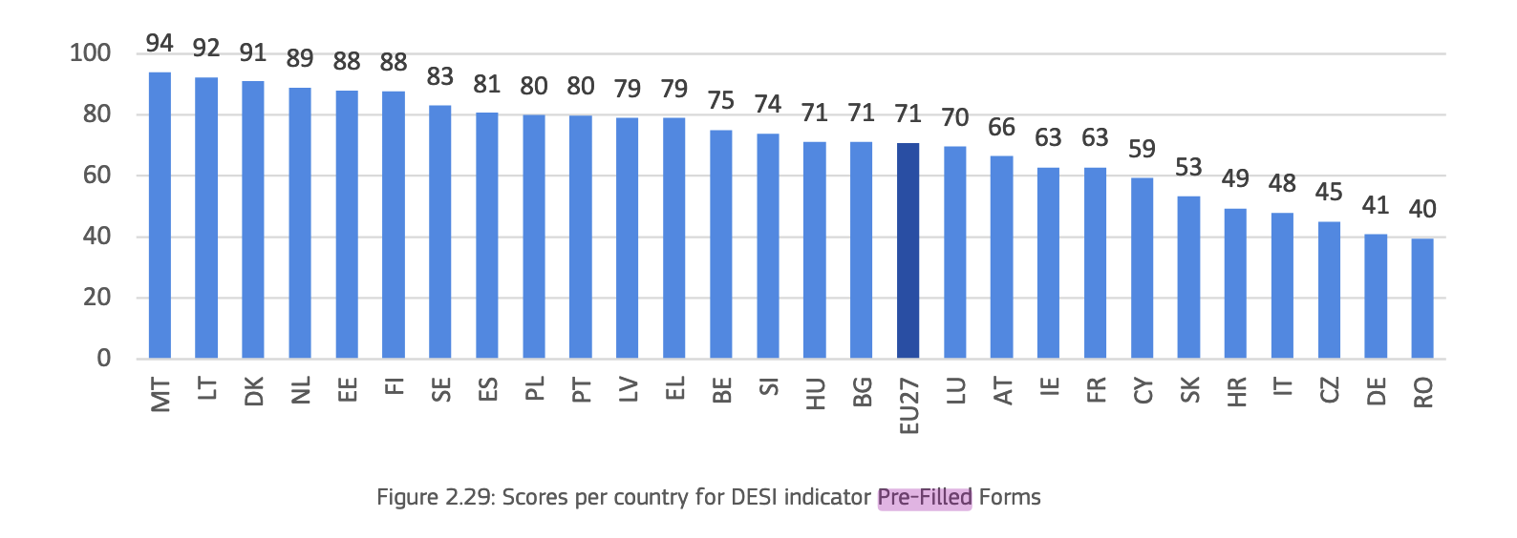
 | Country | Pre-filled Forms
1 | Austria | 66.49
2 | Belgium | 75.08 |  | Country | Pre-filled Forms | calibrated | Membership Category
3 | Bulgaria | 71.08 |  | Malta | 93.97 | 1 | Full member
4 | Croatia | 49.38 |  | Lithuania | 92.3 | 1 | Full member
5 | Cyprus | 59.38 |  | Denmark | 91.01 | 1 | Full member
6 | Czech Republic | 45.09 |  | Netherlands | 89.01 | 0.97394736842 | More in than out
7 | Denmark | 91.01 |  | Estonia | 88.06 | 0.94894736842 | More in than out
8 | Estonia | 88.06 |  | Finland | 87.59 | 0.93657894737 | More in than out
9 | Finland | 87.59 |  | Sweden | 83.12 | 0.81894736842 | More in than out
10 | France | 62.78 |  | Spain | 80.73 | 0.75605263158 | More in than out
11 | Germany | 40.81 |  | Poland | 79.95 | 0.73552631579 | More in than out
12 | Greece | 79.01 |  | Portugal | 79.89 | 0.73394736842 | More in than out
13 | Hungary | 71.11 |  | Latvia | 79.05 | 0.71184210526 | More in than out
14 | Ireland | 62.85 |  | Greece | 79.01 | 0.71078947368 | More in than out
15 | Italy | 47.91 |  | Belgium | 75.08 | 0.60736842105 | More in than out
16 | Latvia | 79.05 | Indicator: Pre-filled forms indicates where forms are automatically pre-filled using data from base registries. | Slovenia | 73.89 | 0.57605263158 | More in than out
17 | Lithuania | 92.30 |  | Hungary | 71.11 | 0.50289473684 | More in than out
18 | Luxembourg | 69.63 |  | Bulgaria | 71.08 | 0.50210526316 | More in than out
The Pre-filled Forms indicator assesses whether personal data is pre-filled in online government service forms, meaning that when users authenticate themselves, relevant information (like name, address, or ID number) is automatically retrieved and inserted into digital forms from government-held registries or databases.
19 | Malta | 93.97 |  | Luxembourg | 69.63 | 0.47365384615 | More out than in
20 | Netherlands | 89.01 |  | Austria | 66.49 | 0.41326923077 | More out than in
21 | Poland | 79.95 |  | Ireland | 62.85 | 0.34326923077 | More out than in
22 | Portugal | 79.89 |  | France | 62.78 | 0.34192307692 | More out than in
23 | Romania | 39.58 |  | Cyprus | 59.38 | 0.27653846154 | Non-member
24 | Slovakia | 53.33 |  | Slovakia | 53.33 | 0.16019230769 | Non-member
25 | Slovenia | 73.89 |  | Croatia | 49.38 | 0.084230769231 | Non-member
26 | Spain | 80.73 |  | Italy | 47.91 | 0.055961538462 | Non-member
27 | Sweden | 83.12 |  | Czech Republic | 45.09 | 0.0017307692308 | Non-member
 |  |  |  | Germany | 40.81 | 0 | Non-member
 |  |  |  | Romania | 39.58 | 0 | Non-member
Calibration Point | Value | Justification
Full membership (1.0) | 90 | Top-tier countries (e.g., Malta 93.97, Lithuania 92.30, Denmark 91.01) demonstrate complete or near-complete automation.
Crossover (0.5) | 71 | Exactly matches the EU27 average, which is a strong empirical midpoint.
Full non-membership (0.0) | 45 | Captures the bottom ~10–15% (Romania 39.58, Czechia 45.09), where pre-filling is minimal.

Transparency (IV)
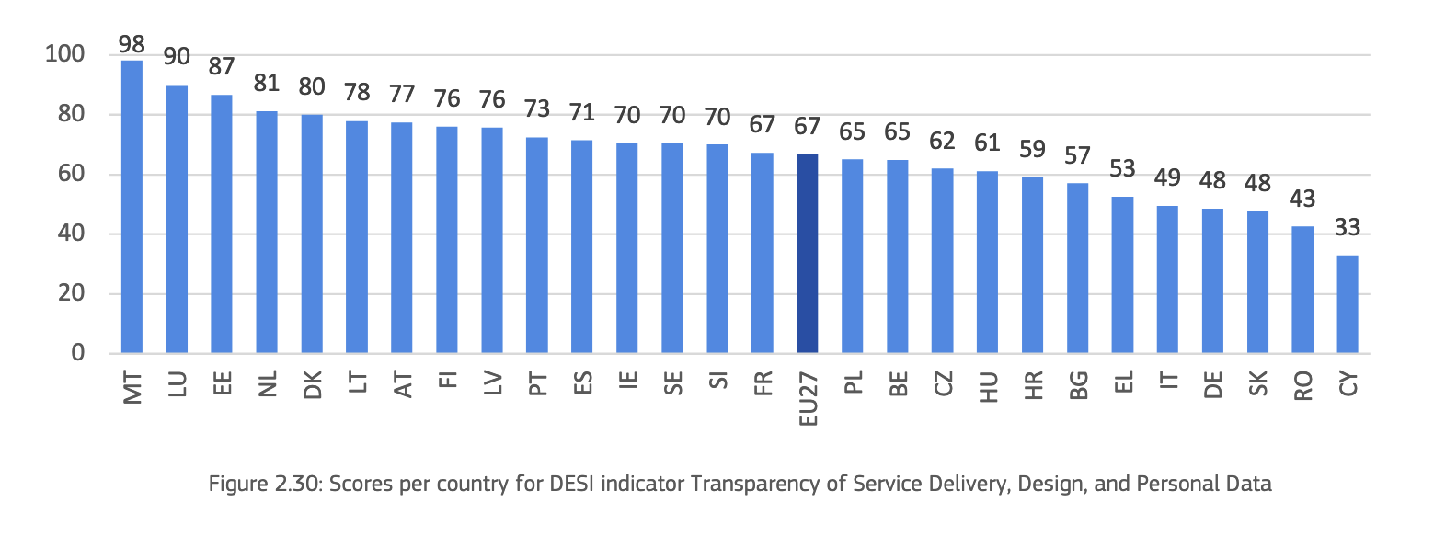
 | Country | Transparency
1 | Austria | 77.42
2 | Belgium | 64.78 |  |  |  |  | Country | Transparency | Transparency (calibrated) | Membership Category
3 | Bulgaria | 57.03 |  |  |  |  | Malta | 98.27 | 1 | Full member
4 | Croatia | 59.14 |  |  |  |  | Luxembourg | 89.94 | 0.9985 | Full member
5 | Cyprus | 32.89 |  |  |  |  | Estonia | 86.7 | 0.9175 | Full member
6 | Czech Republic | 61.94 |  |  |  |  | Netherlands | 81.24 | 0.781 | Full member
7 | Denmark | 80.08 |  |  |  |  | Denmark | 80.08 | 0.752 | Full member
8 | Estonia | 86.70 |  |  |  |  | Lithuania | 77.98 | 0.6995 | More in than out
9 | Finland | 76.07 |  |  |  |  | Austria | 77.42 | 0.6855 | More in than out
10 | France | 67.31 |  |  |  |  | Finland | 76.07 | 0.65175 | More in than out
11 | Germany | 48.46 |  |  |  |  | Latvia | 75.68 | 0.642 | More in than out
12 | Greece | 52.66 |  |  |  |  | Portugal | 72.55 | 0.56375 | More in than out
13 | Hungary | 61.15 |  |  |  |  | Spain | 71.4 | 0.535 | More in than out
14 | Ireland | 70.46 |  |  |  |  | Ireland | 70.46 | 0.5115 | More in than out
15 | Italy | 49.48 |  |  |  |  | Sweden | 70.45 | 0.51125 | More in than out
16 | Latvia | 75.68 |  |  |  |  | Slovenia | 70.04 | 0.501 | More in than out
17 | Lithuania | 77.98 |  |  |  |  | France | 67.31 | 0.4462 | More out than in
18 | Luxembourg | 89.94 | Indicator: Transparency of service delivery, design and personal data |  |  |  | Poland | 65.09 | 0.4018 | More out than in
19 | Malta | 98.27 |  |  |  |  | Belgium | 64.78 | 0.3956 | More out than in
Definition: Transparency of service delivery, design and personal data, measured as the extent to which service processes are transparent, services are designed with user involvement and users can manage their personal data. The indicator is an aggregate score of multiple elements describing, among others:
20 | Netherlands | 81.24 |  |  |  |  | Czech Republic | 61.94 | 0.3388 | More out than in
21 | Poland | 65.09 |  |  |  |  | Hungary | 61.15 | 0.323 | More out than in
22 | Portugal | 72.55 |  |  |  |  | Croatia | 59.14 | 0.2828 | Non-member
23 | Romania | 42.60 |  |  |  |  | Bulgaria | 57.03 | 0.2406 | Non-member
24 | Slovakia | 47.64 |  |  |  |  | Greece | 52.66 | 0.1532 | Non-member
25 | Slovenia | 70.04 |  |  |  |  | Italy | 49.48 | 0.0896 | Non-member
26 | Spain | 71.40 |  |  |  |  | Germany | 48.46 | 0.0692 | Non-member
27 | Sweden | 70.45 |  |  |  |  | Slovakia | 47.64 | 0.0528 | Non-member
 |  |  |  |  |  |  | Romania | 42.6 | 0 | Non-member
 |  |  | - the share of services providing a delivery of completion notice, |  |  |  | Cyprus | 32.89 | 0 | Non-member
 |  |  | - the share of services that track progress during completion,
 |  |  | - the degree to which portals provide online access to personal data,
 |  |  | - the extent to which users are involved in the design of services,
 |  |  | - and the extend to which users are involved in policy making processes.

 |  |  |  | Calibration Point | Value | Rationale
 |  |  |  | Full membership (1.0) | 90 | Countries scoring 90+ show consistently high transparency across all sub-indicators, representing a fully realized set ideal.
 |  |  |  | Crossover (0.5) | 70 | The EU27 average for Transparency is ~70 based on the data chart (close to countries like Latvia and Portugal). This marks a balanced midpoint where inclusion/exclusion is ambiguous.
 |  |  |  | Full non-membership (0.0) | 45 | Countries like Cyprus, Romania, and Germany fall below this, showing insufficient transparency features. This marks a practical floor of the set.

Availability (IV)
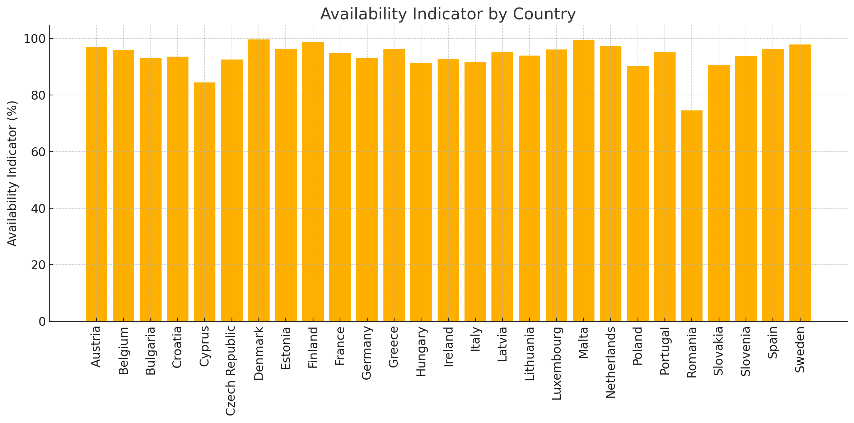
 | Country | Online Availability | Mobile Friendliness | Availability Indicator
1 | Denmark | 99.63 | 99.59 | 99.61
2 | Malta | 100.00 | 98.89 | 99.44
3 | Finland | 97.10 | 100.00 | 98.55 |  |  |  |  |  |  | Country | Availability | Availability (calibrated) | Membership Category
4 | Sweden | 95.77 | 100.00 | 97.88 |  |  |  |  |  |  | Denmark | 99.61 | 1 | Full member
5 | Netherlands | 94.91 | 99.68 | 97.30 |  |  |  |  |  |  | Malta | 99.44 | 1 | Full member
6 | Austria | 94.08 | 99.67 | 96.88 |  |  |  |  |  |  | Finland | 98.55 | 1 | Full member
7 | Spain | 97.80 | 94.76 | 96.28 |  |  |  |  |  |  | Sweden | 97.88 | 1 | Full member
8 | Estonia | 95.56 | 96.90 | 96.23 |  |  |  |  |  |  | Netherlands | 97.3 | 1 | Full member
9 | Greece | 94.02 | 98.32 | 96.17 |  |  |  |  |  |  | Austria | 96.88 | 1 | Full member
10 | Luxembourg | 95.49 | 96.74 | 96.11 |  |  |  |  |  |  | Spain | 96.28 | 1 | Full member
11 | Belgium | 92.44 | 99.26 | 95.85 |  |  |  |  |  |  | Estonia | 96.23 | 1 | Full member
12 | Portugal | 97.93 | 92.23 | 95.08 |  |  |  |  |  |  | Greece | 96.17 | 1 | Full member
13 | Latvia | 92.66 | 97.43 | 95.04 |  |  |  |  |  |  | Luxembourg | 96.11 | 1 | Full member
14 | France | 92.91 | 96.71 | 94.81 |  |  |  |  |  |  | Belgium | 95.85 | 1 | Full member
15 | Lithuania | 92.48 | 95.22 | 93.85 | Indicator: The indicator Availability evaluates how services are made available to citizens online and on mobile platforms |  |  |  |  |  | Portugal | 95.08 | 1 | Full member
16 | Slovenia | 93.10 | 94.43 | 93.76 |  |  |  |  |  |  | Latvia | 95.04 | 1 | Full member
Availability of service being entirely completable online and accessible by mobile - Reflects digital accessibility of public services on any platform (online or mobile)
17 | Croatia | 89.30 | 97.83 | 93.56 |  |  |  |  |  |  | France | 94.81 | 0.9905 | More in than out
18 | Germany | 90.07 | 96.33 | 93.20 |  |  |  |  |  |  | Lithuania | 93.85 | 0.9425 | More in than out
19 | Bulgaria | 90.23 | 95.71 | 92.97 |  |  |  |  |  |  | Slovenia | 93.76 | 0.938 | More in than out
20 | Ireland | 87.34 | 98.24 | 92.79 |  |  |  |  |  |  | Croatia | 93.56 | 0.928 | More in than out
21 | Czech Republic | 91.35 | 93.71 | 92.53 |  |  |  |  |  |  | Germany | 93.2 | 0.91 | More in than out
The indicator Online Availability evaluates how services are made available online to citizens. The indicator assesses whether information about the service is online, whether the actual service can be completed online and whether the service can be reached via one of the main government portals
The report describes the “Mobile Friendliness” indicator as part of the User Centricity dimension in the eGovernment Benchmark. It evaluates whether government websites are optimized for mobile device use — meaning text is readable, buttons are sized appropriately, and the interface adapts well to smaller screens.
22 | Italy | 90.72 | 92.44 | 91.58 |  |  |  |  |  |  | Bulgaria | 92.97 | 0.8985 | More in than out
23 | Hungary | 95.60 | 87.19 | 91.40 |  |  |  |  |  |  | Ireland | 92.79 | 0.8895 | More in than out
24 | Slovakia | 86.85 | 94.43 | 90.64 |  |  |  |  |  |  | Czech Republic | 92.53 | 0.8765 | More in than out
25 | Poland | 87.15 | 93.14 | 90.15 |  |  |  |  |  |  | Italy | 91.58 | 0.829 | More in than out
26 | Cyprus | 79.42 | 89.39 | 84.40 |  |  |  |  |  |  | Hungary | 91.4 | 0.82 | More in than out
27 | Romania | 73.07 | 75.96 | 74.51 |  |  |  |  |  |  | Slovakia | 90.64 | 0.782 | More in than out
 |  |  |  |  |  |  |  |  |  |  | Poland | 90.15 | 0.7575 | More in than out
 |  |  |  |  |  |  |  |  |  |  | Cyprus | 84.4 | 0.48 | More out than in
 |  |  |  |  |  |  |  |  |  |  | Romania | 74.51 | 0.15033333333 | More out than in

 |  |  |  |  |  | Condition | Full Membership (1.0) | Crossover (0.5) | Full Non-Membership (0.0) | Rationale
 |  |  |  |  |  | Availability | 95 | 85 | 70 | Countries scoring ≥95 (e.g., Austria, Denmark, Malta) offer nearly complete digital service access. 85 represents the empirical midpoint, capturing typical performance across the EU. Values ≤70 reflect limited online service availability, seen in the lowest-performing countries (e.g., Romania).

eID (IV)
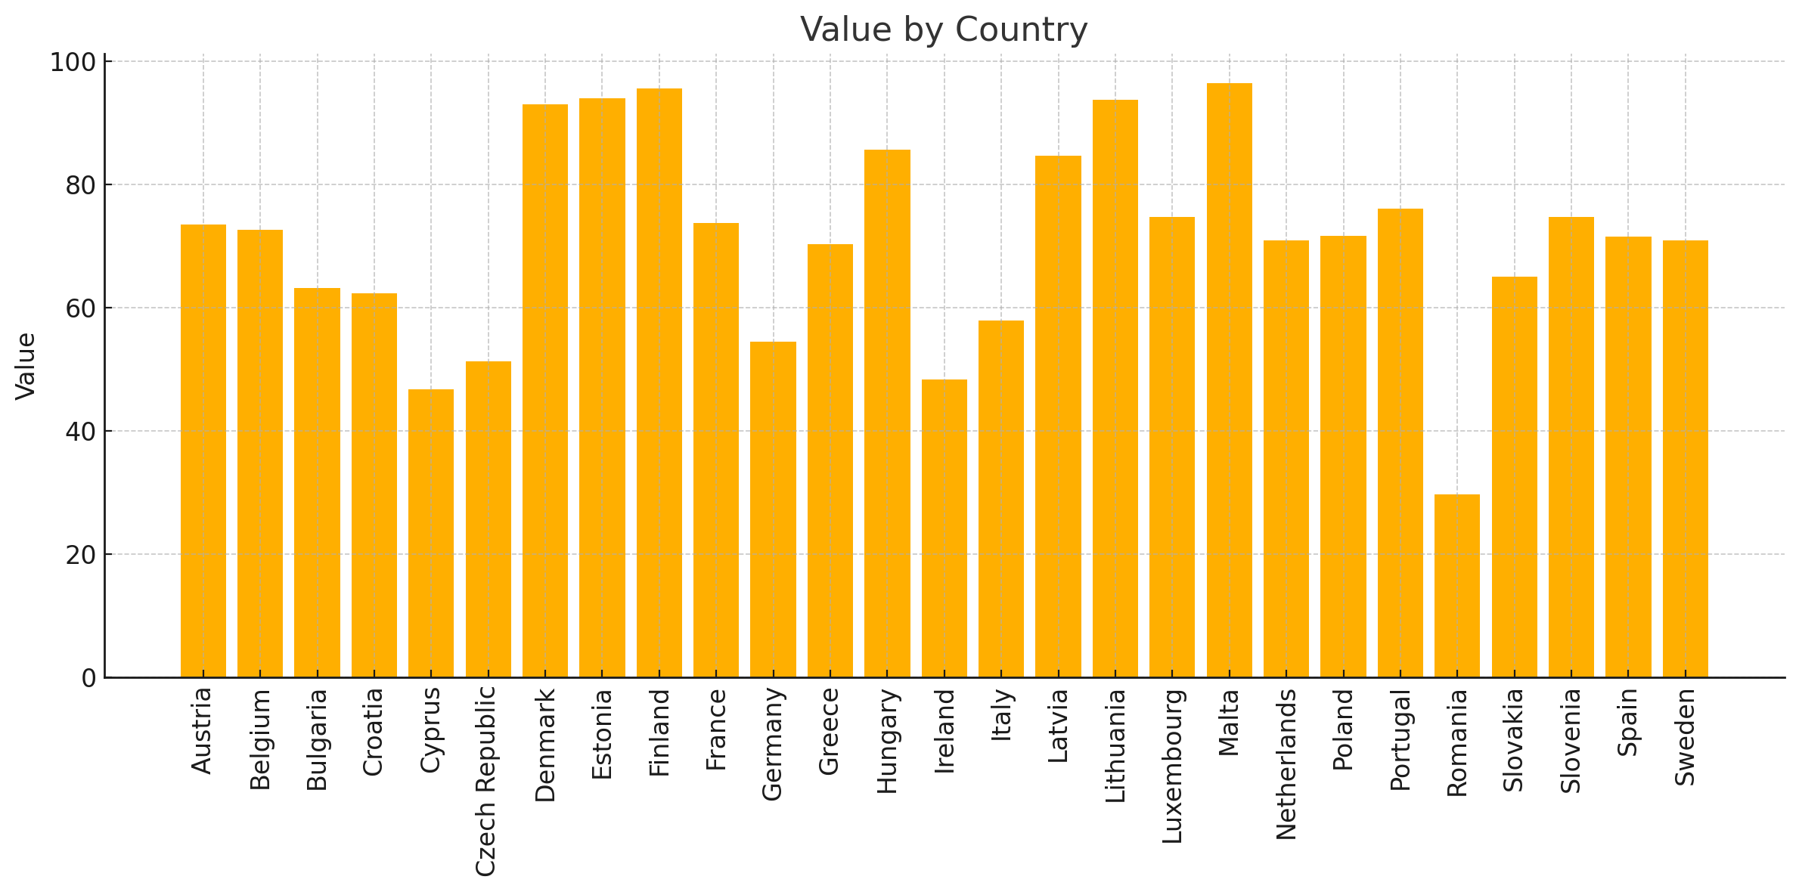
Country | eID Score
Austria | 73.60
Belgium | 72.71 | Country | eID | eID (calibrated) | Membership Category
Bulgaria | 63.18 | Malta | 96.49 | 1 | Full member
Croatia | 62.36 | Finland | 95.59 | 1 | Full member
Cyprus | 46.84 | Estonia | 94.07 | 1 | Full member
Czech Republic | 51.39 | Lithuania | 93.83 | 1 | Full member
Denmark | 93.06 | Denmark | 93.06 | 1 | Full member
Estonia | 94.07 | Hungary | 85.74 | 0.8935 | More in than out
Finland | 95.59 | Latvia | 84.71 | 0.86775 | More in than out
France | 73.75 | Portugal | 76.12 | 0.653 | More in than out
Germany | 54.57 | Slovenia | 74.8 | 0.62 | More in than out
Greece | 70.41 | Luxembourg | 74.77 | 0.61925 | More in than out
Hungary | 85.74 | France | 73.75 | 0.59375 | More in than out
Ireland | 48.35 | Austria | 73.6 | 0.59 | More in than out
Italy | 58.00 | Belgium | 72.71 | 0.56775 | More in than out
Latvia | 84.71 | Poland | 71.74 | 0.5435 | More in than out
Lithuania | 93.83 | Spain | 71.57 | 0.53925 | More in than out
Indicator: eID Availability of national eID for services - Indicates secure digital authentication infrastructure
Luxembourg | 74.77 | Sweden | 70.95 | 0.52375 | More out than in
Malta | 96.49 | Netherlands | 70.93 | 0.52325 | More out than in
Netherlands | 70.93 | Greece | 70.41 | 0.51025 | More out than in
Poland | 71.74 | Slovakia | 65.06 | 0.4012 | More out than in
eID (electronic identification) is a government-issued solution for online identification and authentication. With electronic identification, users no longer need to visit government service desks to prove their identity in person, nor do they need to wait for documentation to arrive via post.
Portugal | 76.12 | Bulgaria | 63.18 | 0.3636 | More out than in
Romania | 29.74 | Croatia | 62.36 | 0.3472 | More out than in
Slovakia | 65.06 | Italy | 58 | 0.26 | Non-member
Slovenia | 74.80 | Germany | 54.57 | 0.1914 | Non-member
Spain | 71.57 | Czech Republic | 51.39 | 0.1278 | Non-member
Sweden | 70.95 | Ireland | 48.35 | 0.067 | Non-member
 |  | Cyprus | 46.84 | 0.0368 | Non-member
 |  | Romania | 29.74 | 0 | Non-member

User Support (IV)
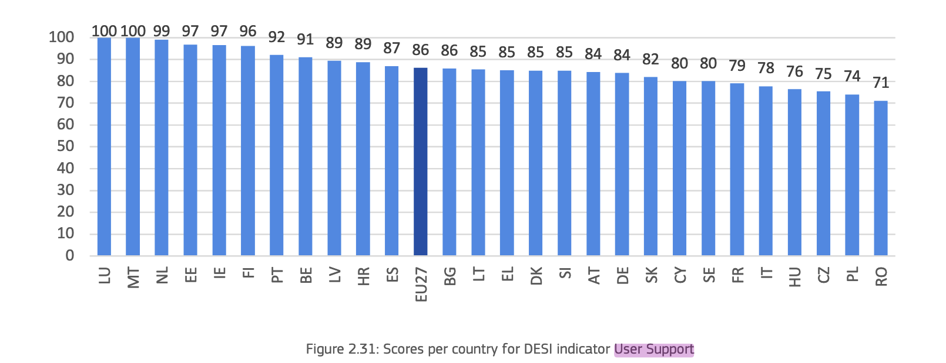
Country | User Support
Finland | 100.00 | Country | User Support | User Support (calibrated) | Membership Category
Greece | 100.00 | Finland | 100 | 1 | Full member
Italy | 100.00 | Greece | 100 | 1 | Full member
Luxembourg | 100.00 | Italy | 100 | 1 | Full member
Malta | 100.00 | Luxembourg | 100 | 1 | Full member
Poland | 100.00 | Malta | 100 | 1 | Full member
Spain | 100.00 | Poland | 100 | 1 | Full member
Austria | 98.41 | Spain | 100 | 1 | Full member
Netherlands | 98.41 | Austria | 98.41 | 0.9205 | More in than out
Belgium | 96.83 | Belgium | 96.83 | 0.8415 | More in than out
Ireland | 96.83 | Bulgaria | 90.48 | 0.524 | More in than out
Lithuania | 96.83 | Denmark | 92.06 | 0.603 | More in than out
France | 95.24 | Estonia | 93.65 | 0.6825 | More in than out
Portugal | 95.24 | France | 95.24 | 0.762 | More in than out
Germany | 93.65 | Germany | 93.65 | 0.6825 | More in than out
Indicactor: User Support (or plainly, Support)
Sweden | 93.65 | Hungary | 93.65 | 0.6825 | More in than out
Estonia | 93.65 | Ireland | 96.83 | 0.8415 | More in than out
Hungary | 93.65 | Latvia | 93.65 | 0.6825 | More in than out
Availability of user support mechanisms - measures the extent of guidance, help, and feedback support available to users
Latvia | 93.65 | Lithuania | 96.83 | 0.8415 | More in than out
Slovakia | 93.65 | Netherlands | 98.41 | 0.9205 | More in than out
Slovenia | 92.06 | Portugal | 95.24 | 0.762 | More in than out
Denmark | 92.06 | Romania | 90.48 | 0.524 | More in than out
EU average score of 86 points. This score indicates that most EU government services provide robust support mechanisms for users encountering issues or inquiries. Luxembourg and Malta achieve a perfect score on this indicator. Additionally, other high performers include the Netherland (99 points), Estonia (97 points), Ireland (97 points), Finland (96 points), Portugal (92 points) and Belgium (91 points)
Romania | 90.48 | Slovakia | 93.65 | 0.6825 | More in than out
Bulgaria | 90.48 | Slovenia | 92.06 | 0.603 | More in than out
Croatia | 88.89 | Sweden | 93.65 | 0.6825 | More in than out
Czech Republic | 84.13 | Croatia | 88.89 | 0.47225 | More out than in
Cyprus | 71.43 | Cyprus | 71.43 | 0.03575 | More out than in
 |  | Czech Republic | 84.13 | 0.35325 | More out than in

eDocuments (IV)
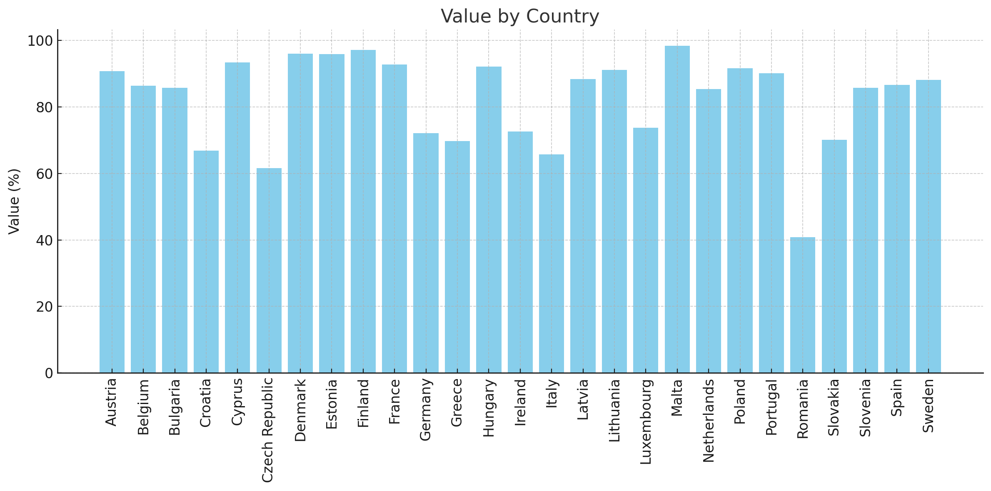
Country | eDocunment Score |  | Country | eDocument | eDocument (calibrated) | Membership Category
Malta | 98.41 |  | Denmark | 95.99 | 1 | Full member
Finland | 97.13 |  | Estonia | 95.94 | 1 | Full member
Denmark | 95.99 |  | Finland | 97.13 | 1 | Full member
Estonia | 95.94 |  | Malta | 98.41 | 1 | Full member
Cyprus | 93.45 |  | Austria | 90.81 | 0.7905 | More in than out
France | 92.76 |  | Belgium | 86.38 | 0.569 | More in than out
Hungary | 92.13 |  | Bulgaria | 85.78 | 0.539 | More in than out
Poland | 91.67 |  | Cyprus | 93.45 | 0.9225 | More in than out
Lithuania | 91.19 |  | France | 92.76 | 0.888 | More in than out
Austria | 90.81 |  | Hungary | 92.13 | 0.8565 | More in than out
Portugal | 90.09 |  | Latvia | 88.43 | 0.6715 | More in than out
Latvia | 88.43 |  | Lithuania | 91.19 | 0.8095 | More in than out
Sweden | 88.15 |  | Netherlands | 85.37 | 0.5185 | More in than out
Spain | 86.62 |  | Poland | 91.67 | 0.8335 | More in than out
Belgium | 86.38 | Indicator: eDocuments - Ability to download and submit important documents | Portugal | 90.09 | 0.7545 | More in than out
Bulgaria | 85.78 |  | Slovenia | 85.71 | 0.5355 | More in than out
eDocuments (electronic documents) are documents in digital form that the user needs to submit/upload in order to complete an eGovernment service, or that the user obtains as a proof or a result of the service (e.g., certificate, diploma, proof of registration.
Slovenia | 85.71 |  | Spain | 86.62 | 0.581 | More in than out
Netherlands | 85.37 |  | Sweden | 88.15 | 0.6575 | More in than out
Luxembourg | 73.77 |  | Croatia | 66.84 | 0.046 | More out than in
Ireland | 72.57 |  | Germany | 72.17 | 0.17925 | More out than in
Germany | 72.17 |  | Greece | 69.79 | 0.11975 | More out than in
Slovakia | 70.09 |  | Ireland | 72.57 | 0.18925 | More out than in
Greece | 69.79 |  | Italy | 65.74 | 0.0185 | More out than in
Croatia | 66.84 |  | Luxembourg | 73.77 | 0.21925 | More out than in
Italy | 65.74 |  | Slovakia | 70.09 | 0.12725 | More out than in
Czech Republic | 61.65 |  | Czech Republic | 61.65 | 0 | Non-member
Romania | 40.78 |  | Romania | 40.78 | 0 | Non-member

